test_plan
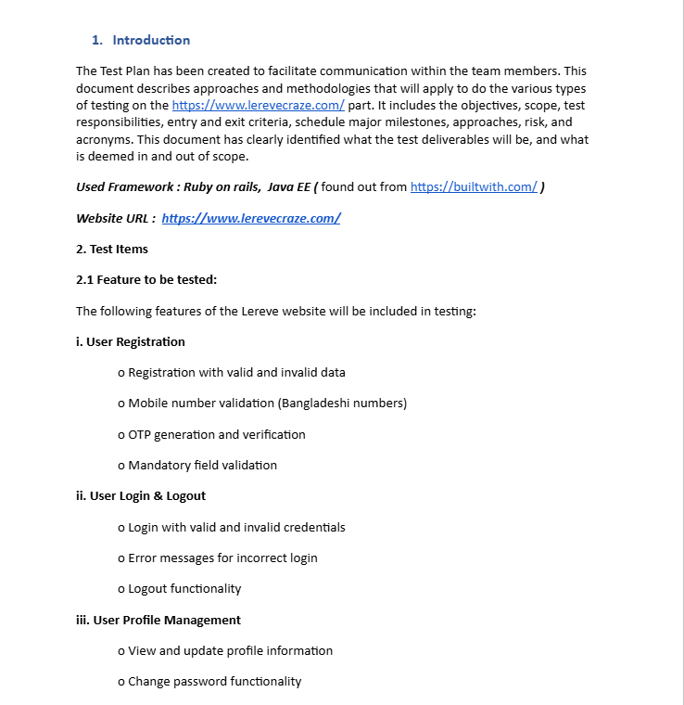

Please click here to see the full pdf

